Contents





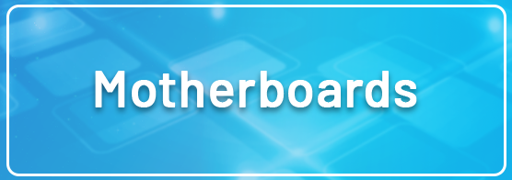


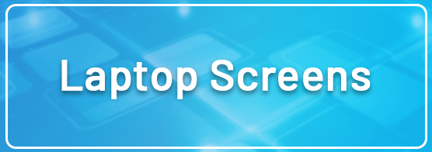
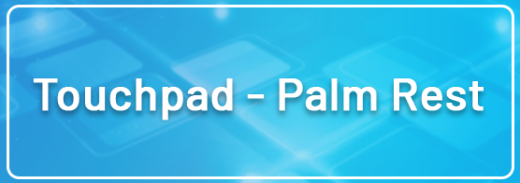



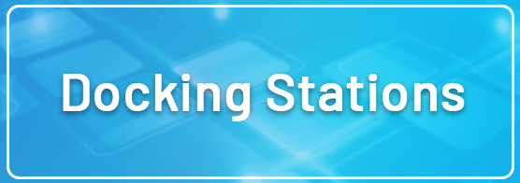


NB: Errors and omissions excepted (E&OE) Fair Wear and Tear Accepted Please Note: Pricing and / or Specifications on Coming Soon Items Are Subject to Change

